Sheet1
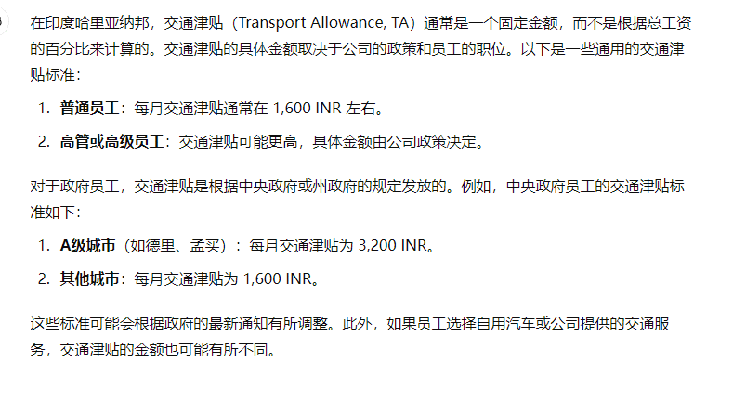
可修改区域，其它公式生成 |  |  |  |  |  |  |  | 公司自定 Company Customization |  |  |  | 法定扣款（Statutory Deductions）
 | 薪资级距表Total | 员工到手月工资 | 公司月工资支出成本 | 基本年工资 | 基本月工资 | 亲职津贴 | 家庭津贴 | 交通津贴 | 特别津贴 | 其他津贴 | 奖金（积效） | 法定扣款 （员工公积金） | 法定扣款 （专业税） | 法定扣款 （预扣税） | 扣税计算总额
工资项目 | Salary Structure Total(SST) | Employee monthly salary in hand(SIH) | CTC | Basic annual salary | Basic monthly salary(BS) | Dearness Allowance, DA | House Rent Allowance, HRA | Transport Allowance, TA | Special Allowance SA | Other Allowances OA | Bonus (Performance Award)PA | EPF | 哈里亚纳不用 Haryana Not applicable | Tax Deducted at Source, TDS | Calculation of Total Taxable Income(COTTI）
计算根据 | SST | Deduct EPF TDS | Plus EPF | BS | SST | BS | BS | BS-DA-HRA-PA | BS-DA-HRA-PA | BS-DA-HRA-PA | BS | BS |  | COTTI | BS+DA+HRA+TA+SA+OA+PA
 |  |  |  |  | 40~60% | Fixed
计算参数 Calculation parameters |  |  |  | 12 | 60% | 5% | 50% | 30% | 40% | 40% | 20% | 12%
值 | 50000 | 47,150 | 54,350 | 360,000 | 30,000 | 1,500 | 15,000 | 2,250 | 3,000 | 3,000 | 6,000 | 3,600 |  | 10,000 | 60,750 | 20% | 729,000
 | 60000 | 56,580 | 65,220 | 432,000 | 36,000 | 1,800 | 18,000 | 2,700 | 3,600 | 3,600 | 7,200 | 4,320 |  | 12,000 | 72,900 | 20% | 874,800
 | 80000 | 62,280 | 73,800 | 576,000 | 48,000 | 2,400 | 24,000 | 3,600 | 4,800 | 4,800 | 9,600 | 5,760 |  | 29,160 | 97,200 | 30% | 1,166,400

Question: | Bonus(Performance Award)PA
 | According to The Payment of Bonus Act, 1965, eligible employees can receive an annual bonus, typically ranging from 8.33% to 20% of the basic salary.
 | 1. We distribute the bonus monthly, with a cap of 20% of the basic salary (as calculated).
 | 2. We have a monthly performance evaluation form. Employees with good performance can receive the full bonus (20% of the basic salary), while those with poor performance might only receive half (10% of the basic salary).
 | 3. Will the above method of bonus calculation violate the labor/wage regulations in Haryana?
 | 4. If it is unclear whether this violates the regulations, can we notarize it in court before implementation to prevent future lawsuits from employees?
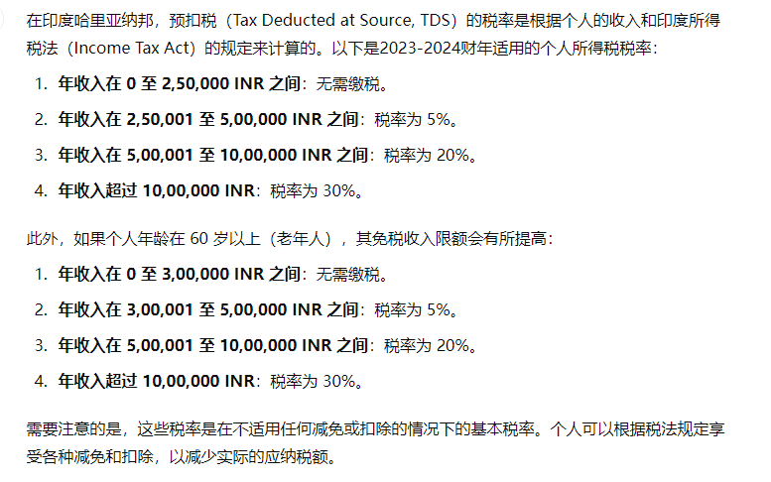
提问： | 奖金(积效)
 | 根据《印度奖金法》（The Payment of Bonus Act, 1965），合资格的员工每年可获得的奖金，通常是基本工资的8.33%至20%。
 | 1. 我们将奖金分成每月发放，奖金上限为基本工资的20%（如计算式）
 | 2. 我们每月有积效考核表，积效好的员工能领到奖金全部（基本工资的20%），积效不好的员工可能只领到一半（基本工资的10%）
 | 3. 以上这样子的奖金计算方式会违反哈里亚纳邦的劳动/薪资法规吗？
 | 4. 若无法确定是否违返法规，可否在实施前至法院公证，避免以后被员工提告？
ALI（非律师）回答：
回答1： | 奖金无上限，但最低是8.33，也就是说积效就算0分也要给8.33%，企业中留着积效0分的人也不可能发生。
回答2： | 同一。
回答3： | 不违反。
回答4： | 可以寻找专业律师/顾问询问是否有这个服务。

ALI建议 | 贵司的问题只是在新旧制之间的转换，不只民企，国企也同样有这个问题
 | 新旧制的转换首先确保新制合法（由专业律师/顾问公司背书更佳）
 | 接着确保员工是否自愿-如同贵司已让员工签属自愿书
 | 最后就是实施必须得按照员工同意的新制重新发Offer，保有原本年资，但薪资结构变成新制
 | 尔后要再变更也是相同流程

请帮忙列出印度哈里亚纳邦合法计算工资的标准（薪资结构）
ChatGPT

在印度哈里亚纳邦，合法计算工资的标准和薪资结构通常包括以下几个主要组成部分：
1. 基本工资（Basic Salary）
基本工资是员工工资的核心组成部分，通常占总工资的40%-60%。这部分工资决定了其他许多工资成分的计算基础。
2. 亲职津贴（Dearness Allowance, DA）
DA 是为应对生活成本上涨而提供的津贴，通常以基本工资的一定百分比计算。
3. 家庭津贴（House Rent Allowance, HRA）
HRA 是为了补贴员工的住房费用。一般情况下，HRA 是基本工资的40%（对于非地铁城市）或50%（对于地铁城市）。
4. 交通津贴（Transport Allowance, TA）
TA 是为了补贴员工上下班的交通费用。具体金额因公司政策而异，但通常有一个固定的标准。
5. 特别津贴（Special Allowance）
这是用来补充员工工资的一部分，通常没有固定的计算标准，由公司自行决定。
6. 其他津贴（Other Allowances）
包括医疗津贴、教育津贴、食物津贴等，根据公司政策和员工合同中的规定。
7. 奖金（Bonus）
根据《印度奖金法》（The Payment of Bonus Act, 1965），合资格的员工每年可获得的奖金，通常是基本工资的8.33%至20%。
8. 法定扣款（Statutory Deductions）
员工公积金（Employees' Provident Fund, EPF）：员工和雇主各按基本工资的12%缴纳。
专业税（Professional Tax）：根据不同州的规定缴纳。
预扣税（Tax Deducted at Source, TDS）：根据所得税法规定的税率从工资中预扣。

In the state of Haryana, India, the legal standards for calculating wages (salary structure) typically include the following main components:

1. Basic Salary

The basic salary is the core component of an employee's wage and usually constitutes 40%-60% of the total salary. This part of the salary serves as the basis for calculating many other wage components.
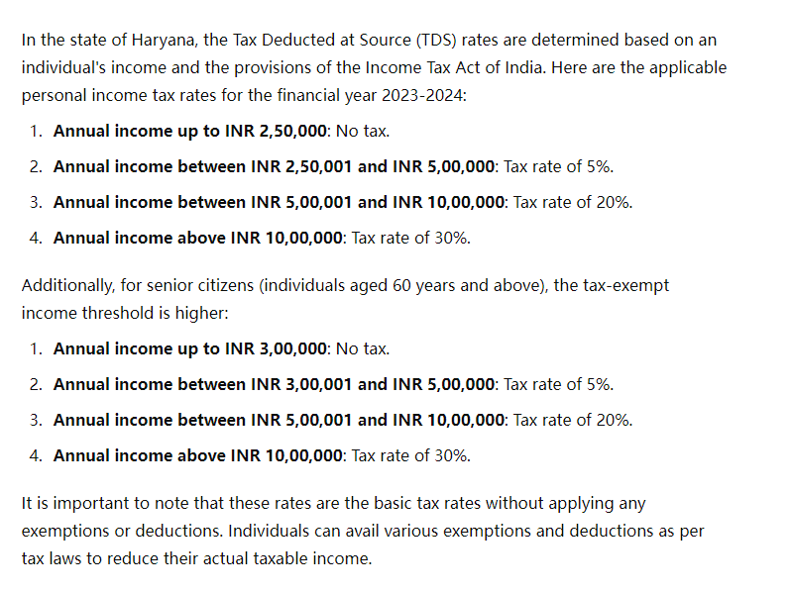
2. Dearness Allowance (DA)

DA is an allowance provided to counteract the rise in the cost of living and is usually calculated as a percentage of the basic salary.

3. House Rent Allowance (HRA)

HRA is provided to subsidize an employee's housing costs. Generally, HRA is 40% of the basic salary for non-metropolitan cities or 50% for metropolitan cities.

4. Transport Allowance (TA)

TA is provided to cover the transportation costs for commuting to and from work. The specific amount varies according to company policy but usually follows a fixed standard.

5. Special Allowance

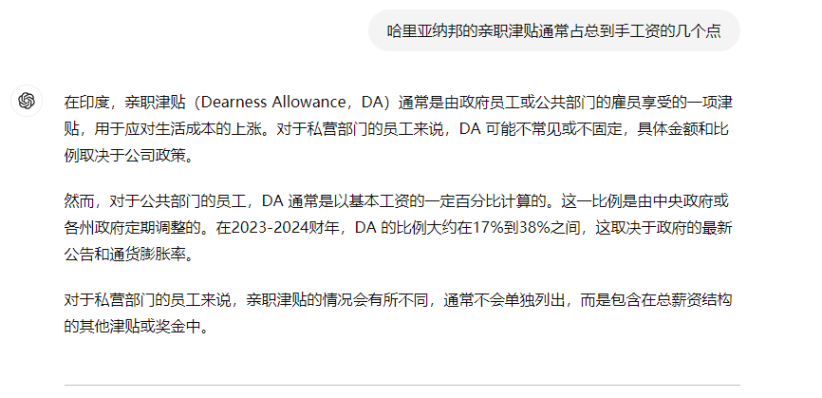
This is a part of the employee's salary provided to supplement the wage, typically without a fixed calculation standard and decided by the company.

6. Other Allowances

This includes medical allowance, educational allowance, food allowance, etc., based on company policy and terms in the employee's contract.

7. Bonus

According to The Payment of Bonus Act, 1965, eligible employees can receive an annual bonus, typically ranging from 8.33% to 20% of the basic salary.

8. Statutory Deductions

Employees' Provident Fund (EPF): Both employee and employer contribute 12% of the basic salary each.
Professional Tax: Levied according to the state regulations.
Tax Deducted at Source (TDS): Withheld from the salary according to the tax rates specified under the Income Tax Act.

